top
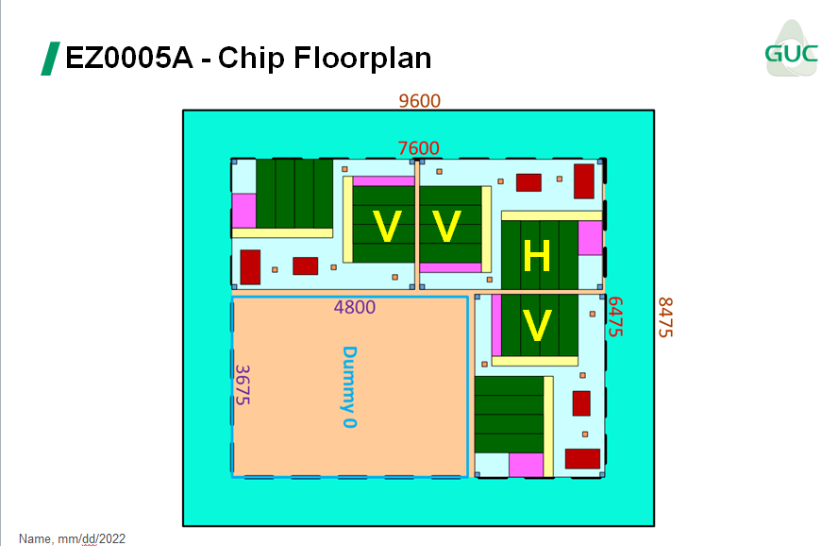
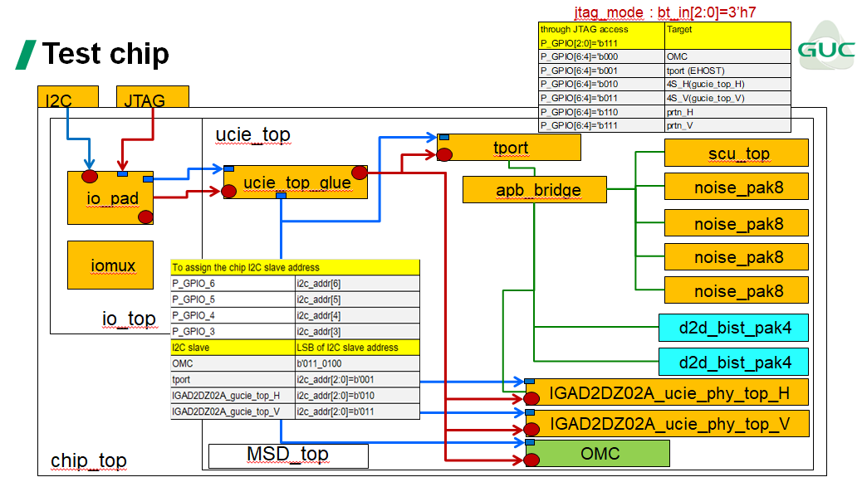
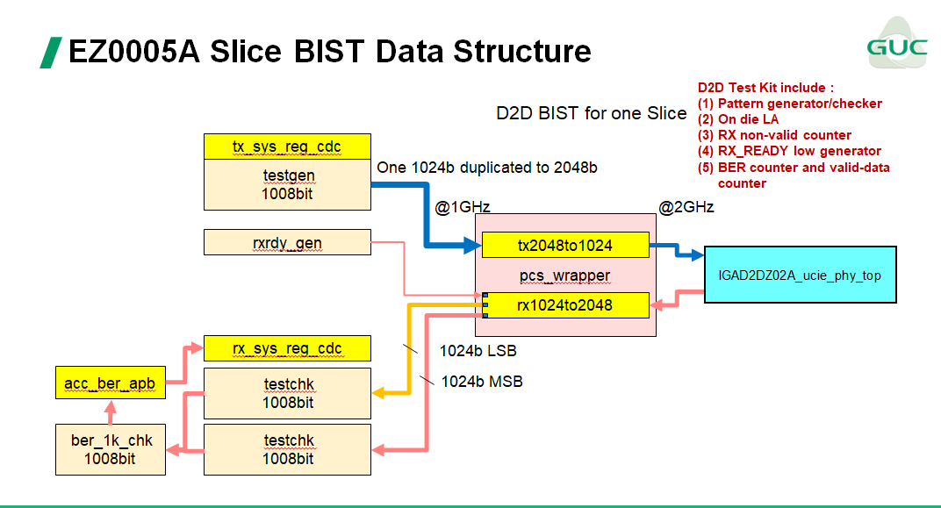
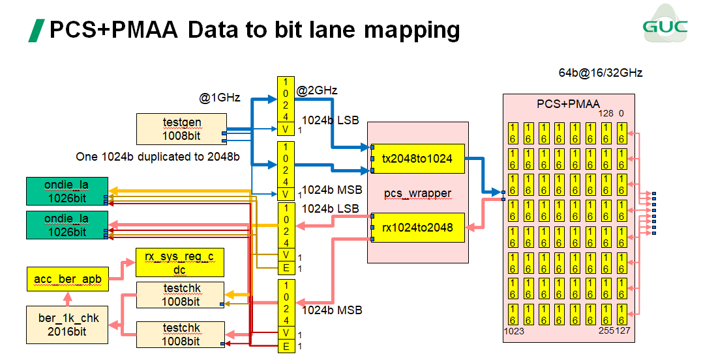
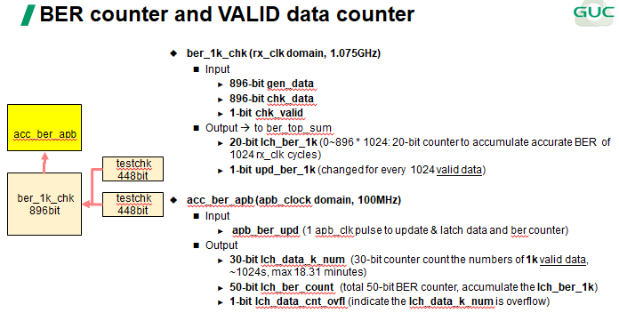
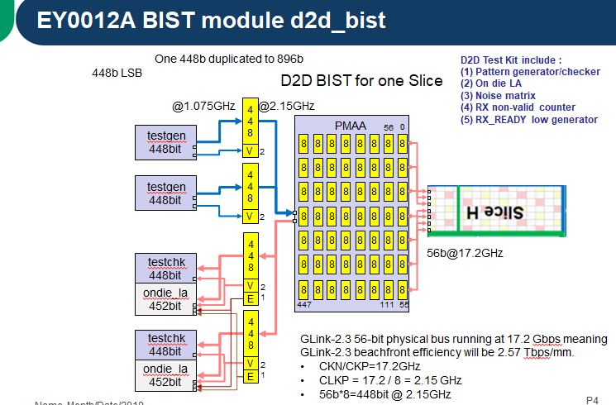
 | TX PCS User Interface
1:8 mode | pin name | I/O | bit-width | Pin Discription
2GHz 256-bit :16GHz 32-bit | TX_CLK | I |  | User TX clock from system
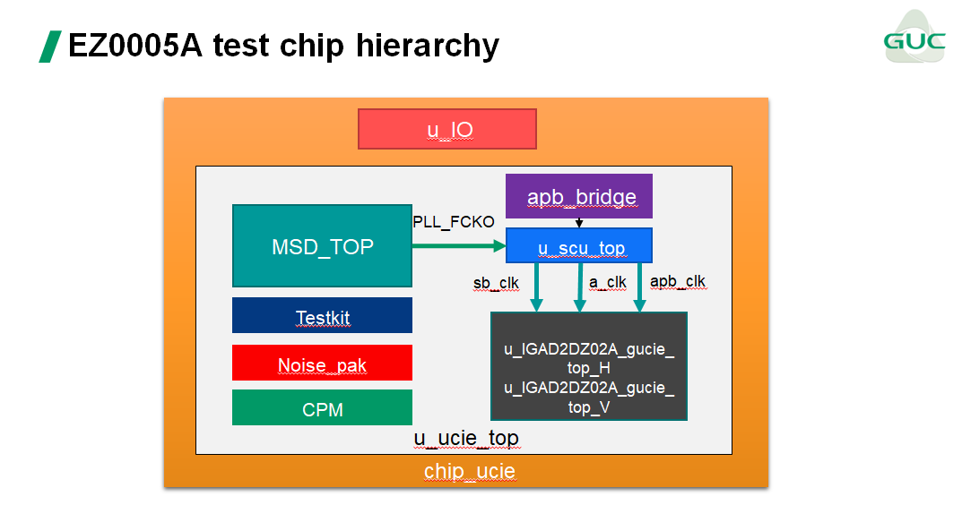
 | TX_RSTN | I |  | User TX reset from system (active low)
 | TX_DATA | I | [447:0] | User TX data
 | TX_VALID | I | [1:0] | User TX valid signal 00 : TX data not valid 01, 10: TX data valid 11: Reserved for BIST or GLink Slice physical layer
 | TX_READY | O |  | Read signal to accept TX data from UI

 | RX PCS User Interface
 | pin name | I/O | bit-width | Pin Discription
 | RX_CLK | I |  | User RX clock from system
 | RX_RSTN | I |  | User RX reset from system (active low)
 | RX_DATA | O | [447:0] | User RX data
 | RX_VALID | O | [1:0] | User RX valid signal 00 : RX data not valid 01, 10: RX data valid 11: Reserved for BIST or GLink Slice physical layer
 | RX_READY | I |  | Read signal to accept RX data from GLink Slice
 | RX_ERR | O |  | Indicate parity error to RX data

